Table of Contents
2019 3Q Factbook

Financial Statement
Loans & Funding
Capital Adequacy

2
15
· Capital Adequacy [Group]
27
· Financial Highlights
· Loans Breakdown [Bank]
by Borrowers
by Interest Rates
by Type & Collateral
28
· Income Statement [Group/Bank]
4
· Capital Adequacy [Bank]

· Balance Sheets [Group/Bank]
7
18
· Funding [Bank]

Profitability
Asset Quality
Others

· NIM NIS [Bank+Card]
9
· Asset Quality [Group]
19
· Woori Card
29

10
20
32
· NIM NIS [Bank]
· Asset Quality [Bank]
· Organization Structure
by Sectors
· Non-Interest Income [Group/Bank]
11
23
· Credit Rating
33
· Provisions [Bank]
· SG&A Expense [Group/Bank]
13
· Delinquency [Bank]
25
by Industries

Disclaimer
This material has been prepared by Woori Financial Group ("the Company”) to provide a brief overview of business results. This material contains certain preliminary data which has not yet been audited. It also contains forward-looking statements which may be materially different from what we predict today. Accordingly, this material may differ significantly from the actual result and is subject to change without notice. The Company, and its affiliates, accept no liability whatsoever for any losses arising from any information contained in the material.
* Number presented throughout this material may not add up precisely to the totals indicated due to rounding.

1

Capital Adequacy_Group
 |  | Capital Adequacy [Group]

 |  |  |  |  |  | FY2018 1Q | FY2018 2Q | FY2018 3Q | FY2018 4Q | FY2019 1Q | FY2019 2Q | FY2019 3Q | QoQ | YoY

Table of Contents |  | [Group] Capital Adequacy |  |  |  |  |  |  |  |  |  |  |  | (Unit : KRW in billion)
 |  |  | Tier 1 Capital |  |  |  |  |  |  | 20,139 | 20,867 | 22,154 | 6.2% | -
Woori Financial Group |  |  |  | Common Equity Capital |  |  |  |  |  | 18,136 | 18,778 | 19,629 | 4.5% | -
 | Financial Highlights |  |  |  | Paid in Capital |  |  |  |  | 3,401 | 3,401
TBD
 | Income Statements [Group/Bank] |  |  |  | Capital Surplus |  |  |  |  | 295 | 295
 | Balance Sheets [Group/Bank] |  |  |  | Capital Adjustment |  |  |  |  | -
 | NIM & NIS [Bank+Card] |  |  |  | Retained Earning |  |  |  |  | 17,229 | 17,839
 | NIM & NIS [Bank] |  |  |  | Others |  |  |  |  | (2,099) | (2,073)
 | Non-Interest Income [Group/Bank] |  |  |  | (-)Deductions |  |  |  |  | (690) | (684)
 | SG&A Expense [Group/Bank] |  |  | Additional Tier 1 Capital |  |  |  |  |  | 2,003 | 2,089 | 2,525 | 20.9% | -
 | Loans [Bank] |  |  |  | Additional Tier 1 Qualifying Capital Instruments |  |  |  |  | -
 | Funding [Bank] |  |  |  | Non-controlling Interests |  |  |  |  | 2,003 | 2,089 |  |  | -
 | Asset Quality [Group] |  | Tier 2 Capital |  |  |  |  |  |  | 3,815 | 4,117 | 4,486 | 9.0% | -
TBD
 | Asset Quality [Bank] |  |  | Tier 2 Qualifying Capital Instruments |  |  |  |  |  | - | 300
 | Provision [Bank] |  |  | Non-controlling Interests |  |  |  |  |  | 2,564 | 2,564
 | Delinquency [Bank] |  |  | LLR (for normal & precautionary) |  |  |  |  |  | 1,251 | 1,253
 | Capital Adequacy [Group] |  | Total Capital |  |  |  |  |  |  | 23,954 | 24,985 | 26,640 | 6.6% | -
 | Capital Adequacy [Bank]
 | Woori Card |  |  |  |  |  |  |  |  |  |  |  |  | (Unit : KRW in billion)
 | Organization Structure |  | Risk Weighted Assets |  |  |  |  |  |  | 216,539 | 225,003 | 232,391 | 3.3% | -
 | Credit Rating
 |  |  |  |  |  |  |  |  |  |  |  |  |  | (Unit : %)
 |  |  | Common Equity Capital Ratio |  |  |  |  |  |  | 8.4% | 8.4% | 8.5% | +0.10%p | -
 |  |  | Tier 1 Ratio |  |  |  |  |  |  | 9.3% | 9.3% | 9.5% | +0.26%p | -
 |  |  | BIS Ratio |  |  |  |  |  |  | 11.1% | 11.1% | 11.5% | +0.36%p | -
 |  |  | * Basel III Basis
 |  |  | * 3Q19 are estimates and the detailed figures will be provided next quarter

 |  |  |  |  |  |  |  |  |  |  |  |  |  | 27

Capital Adequacy_Bank
 |  | Capital Adequacy [Bank]

 |  |  |  |  |  | FY2018 1Q | FY2018 2Q | FY2018 3Q | FY2018 4Q | FY2019 1Q | FY2019 2Q | FY2019 3Q | QoQ | YoY

Table of Contents |  | [Woori Bank] Capital Adequacy |  |  |  |  |  |  |  |  |  |  |  | (Unit : KRW in billion)
 |  |  | Tier 1 Capital |  |  | 19,439 | 19,700 | 20,657 | 20,423 | 20,707 | 20,654 | 20,751 | 0.5% | 0.5%
Woori Financial Group |  |  |  | Common Equity Capital |  | 16,592 | 16,952 | 17,510 | 17,276 | 17,729 | 17,672 | 17,785 | 0.6% | 1.6%
 | Financial Highlights |  |  |  | Paid in Capital | 3,381 | 3,381 | 3,381 | 3,381 | 3,381 | 3,381
 | Income Statements [Group/Bank] |  |  |  | Capital Surplus | 270 | 270 | 270 | 270 | 270 | 270
TBD
 | Balance Sheets [Group/Bank] |  |  |  | Capital Adjustment | - | - | - | - | - | -
 | NIM & NIS [Bank+Card] |  |  |  | Retained Earning | 15,802 | 16,473 | 17,032 | 17,125 | 17,170 | 17,115
 | NIM & NIS [Bank] |  |  |  | Others | (2,078) | (2,043) | (2,087) | (2,142) | (2,066) | (2,037)
 | Non-Interest Income [Group/Bank] |  |  |  | (-)Deductions | (783) | (1,129) | (1,085) | (1,358) | (1,026) | (1,057)
 | SG&A Expense [Group/Bank] |  |  | Additional Tier 1 Capital |  | 2,847 | 2,748 | 3,146 | 3,147 | 2,978 | 2,982 | 2,967 | -0.5% | -5.7%
 | Loans [Bank] |  |  |  | Additional Tier 1 Qualifying Capital Instruments | 2,834 | 2,732 | 3,130 | 3,130 | 2,961 | 2,961
 | Funding [Bank] |  |  |  | Non-controlling Interests | 14 | 16 | 17 | 17 | 17 | 21
 | Asset Quality [Group] |  | Tier 2 Capital |  |  | 3,167 | 3,499 | 3,824 | 3,828 | 3,783 | 3,594 | 3,602 | 0.2% | -5.8%
TBD
 | Asset Quality [Bank] |  |  | Tier 2 Qualifying Capital Instruments |  | 3,012 | 3,280 | 3,602 | 3,611 | 3,563 | 3,359
 | Provision [Bank] |  |  | LLR (for normal & precautionary) |  | 137 | 198 | 200 | 194 | 197 | 207
 | Delinquency [Bank] |  | Total Capital |  |  | 22,606 | 23,200 | 24,481 | 24,251 | 24,490 | 24,248 | 24,353 | 0.4% | -0.5%
 | Capital Adequacy [Group]
 | Capital Adequacy [Bank] |  |  |  |  |  |  |  |  |  |  |  |  | (Unit : KRW in billion)
 | Woori Card |  | Risk Weighted Assets |  |  | 149,859 | 151,989 | 154,224 | 154,971 | 159,864 | 166,486 | 162,522 | -2.4% | 5.4%
 | Organization Structure
 | Credit Rating |  |  |  |  |  |  |  |  |  |  |  |  | (Unit : %)
 |  |  | Common Equity Capital Ratio |  |  | 11.1% | 11.2% | 11.4% | 11.2% | 11.1% | 10.6% | 10.9% | +0.3%p | -0.5%p
 |  |  | Tier 1 Ratio |  |  | 13.0% | 13.0% | 13.4% | 13.2% | 13.0% | 12.4% | 12.8% | +0.4%p | -0.6%p
 |  |  | BIS Ratio |  |  | 15.1% | 15.3% | 15.9% | 15.7% | 15.3% | 14.6% | 15.0% | +0.4%p | -0.9%p
 |  |  | * Basel III Basis
 |  |  | * 3Q19 are estimates and the detailed figures will be provided next quarter

 |  |  |  |  |  |  |  |  |  |  |  |  |  | 28

Orgarnization Structure
 |  | Organization Structure

Table of Contents

Woori Financial Group
 | Financial Highlights
 | Income Statements [Group/Bank]
 | Balance Sheets [Group/Bank]
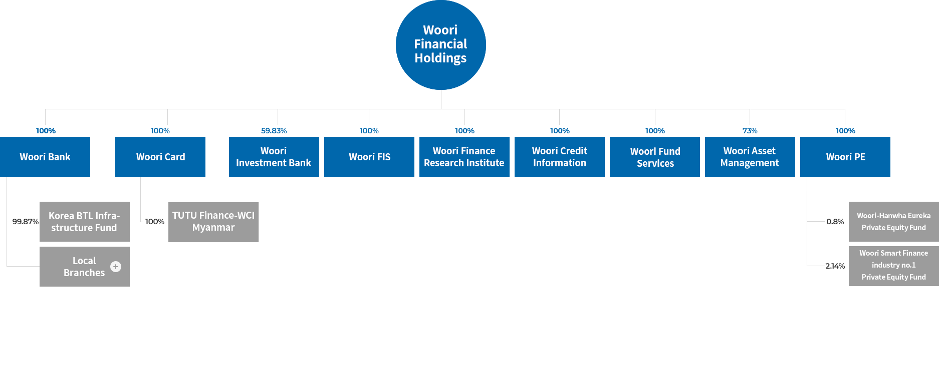
 | NIM & NIS [Bank+Card]
 | NIM & NIS [Bank]
 | Non-Interest Income [Group/Bank]
 | SG&A Expense [Group/Bank]
 | Loans [Bank]
 | Funding [Bank]
 | Asset Quality [Group]
 | Asset Quality [Bank]
 | Provision [Bank]
 | Delinquency [Bank]
 | Capital Adequacy [Group]
 | Capital Adequacy [Bank]
 | Woori Card
 | Organization Structure
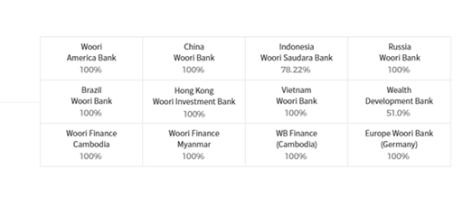
 | Credit Rating

 |  |  | 32

